Sheet1
 | PART A
1 | Define current and voltage ?
2 | State Reciprocity theorem.
3 | Define frequency?
4 | Discuss the concept of phase and phase difference
5 | Define voltage regulation of a transformer
6 | Explain iron losses of the transformers
7 | State the function of commutator
8 | Define slip in induction motor
9 | What are the importance of Fuse
10 | What are the types of batteries
11 | State KVL and KCL
12 | Draw the V-I characteristics of Resistor?
13 | Define Phase and Phase difference?
14 | What are the advantages of alternating quantities?
15 | Define transformation ratio
16 | Explain about mutual inductance.
17 | State Faraday’s law of Electromagnetic induction.
18 | Explain Statically induced EMF and Dynamically Induced EMF.
19 | Explain about meter board and Distribution board?
20 | List the types of cables.
21 | State Ohm’s law.
22 | State superposition theorem
23 | Define instantaneous value
24 | Define Form factor
25 | Define the efficiency and regulation of transformer?
26 | Write the conditions for the ideal transformer?
27 | Classify armature windings in DC machine.
28 | Write the Emf equation of a dc generator.
29 | Explain the importance of Earthing.
30 | Classify the types of wires.

 | PART B
1 | Derive the expression for star to delta and delta to star transformation?
2 | a) State and explain thevenin’s theorem with suitable example.
 | b) Find thevenin’s equivalent circuit for the circuit shown below
3 | A voltage wave represented by V=200sin314t find
 | i) Maximum value
 | ii) Average value
 | iii) RMS value
 | iv) Frequency
 | v) Time period

4 | Derive the expression for impedance (Z), phase angle (ϴ) and power factor (cosф) for RLC series circuit with relevant phasors.
5 | a) Derive the Emf equation of transformer.
 | b) A 50KVA, 1100/400 V, 50Hz single phase transformer has 80 turns on the primary. Calculate
 | i) the number of turns on the secondary
 | ii) the full load primary and secondary currents and
 | iii) the maximum value of the flux
6 | Explain in detail different types of losses in transformer
7 | a) Explain the constructional features of DC machine with neat diagram
 | b) Derive the EMF equation of the DC generator?
8 | Explain the construction and working principle of 3-phase synchronous generator
9 | a) Explain briefly the concept of wiring system and earthing
 | b) Explain the types of wires and cables
10 | Explain in detail the types of earthing with neat diagrams?
11 | What are Active and Passive Elements. Explain in detail?
12 | a) State norton’s theorem.
 | 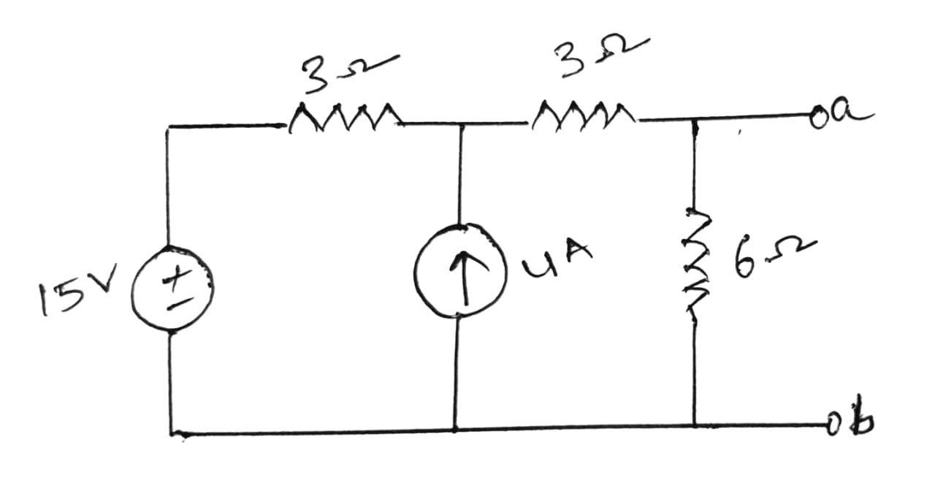 b) find the norton’s equivalent circuit for the circuit shown below

13 | Explain following terms:
 | i) form factor ii) peak factor iii) phase difference iv) frequency
 | v) Power factor
14 | Derive the expression for impedance (Z), phase angle (ϴ) and power factor (cosф) for RC series circuit with relevant phasors.
15 | A) Explain the principle of operation of single-phase transformer
 | B) Derive the Emf equation of the transformer.
16 | Explain the working of an Auto-Transformer with neat diagram
17 | a) Derive the Emf equation of Dc Generator.
 | b) Calculate the emf generated by a 6 pole dc generator having 480 conductors and driven at a speed of 1200 rpm. The flux per pole is 0.012 wb. Assume the generator to be i) lap wound ii) wave wound.
18 | Give the constructional details and working of three phase induction motors?
19 | Explain the different types of Earthing methods in detail?
20 | Explain the different types of wires and cables?
21 | 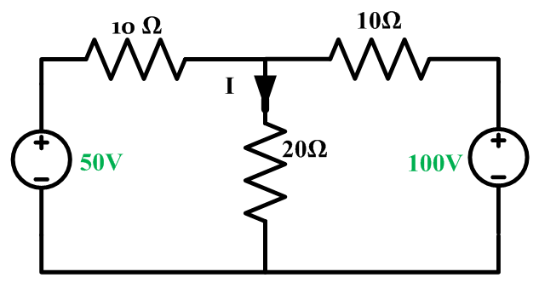 Calculate the current (I) flowing through 20 Ω using super position theorem

22 | Derive the expression for average value, RMS value, Form factor and Peak factor of sinusoidal waveform.
23 | Derive the relation between phase and line voltages and currents in a 3-phase star connected system?
24 | Explain the OC and SC test of a single-phase transformer with neat diagram
25 | Explain the construction and working principle of a single-phase transformer
26 | Explain Back Emf of DC motor. Derive the torque equation of DC motor?
27 | Explain the construction and working principle of 3-phase induction motor
28 | Explain in brief the different types of circuit breakers with neat diagrams?
29 | Classify the types of batteries and mention the important characteristics of batteries.
30 | 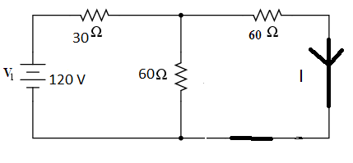 A) State Kirchhoff’s voltage law and Kirchhoff’s Current law? B) Solve current through 60 Ohm resistor for the following circuit using Nodal analysis?

